Sheet1
Questions on measure of central tendency

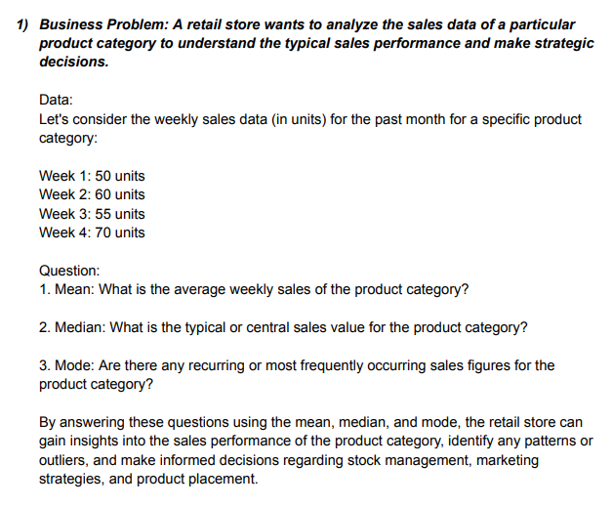

 |  |  |  | week | units |  | Mean | 58.75
 |  |  |  | 1 | 50
 |  |  |  | 2 | 60 |  | Median | 57.5
 |  |  |  | 3 | 55
 |  |  |  | 4 | 70 |  | Mode | #N/A

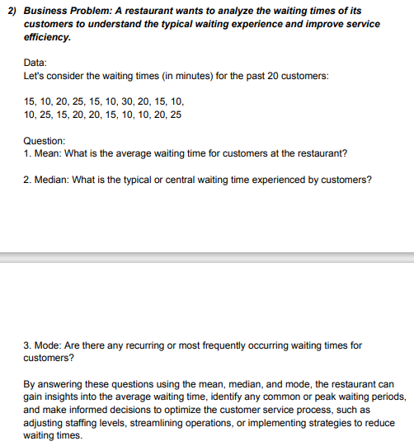

 |  |  |  | Customers | Time
 |  |  |  | 1 | 15
 |  |  |  | 2 | 10
 |  |  |  | 3 | 20 |  | Mean | 17
 |  |  |  | 4 | 25
 |  |  |  | 5 | 15 |  | Median | 15
 |  |  |  | 6 | 10
 |  |  |  | 7 | 30 |  | Mode | 10
 |  |  |  | 8 | 20
 |  |  |  | 9 | 15
 |  |  |  | 10 | 10
 |  |  |  | 11 | 10
 |  |  |  | 12 | 25
 |  |  |  | 13 | 15
 |  |  |  | 14 | 20
 |  |  |  | 15 | 20
 |  |  |  | 16 | 15
 |  |  |  | 17 | 10
 |  |  |  | 18 | 10
 |  |  |  | 19 | 20
 |  |  |  | 20 | 25

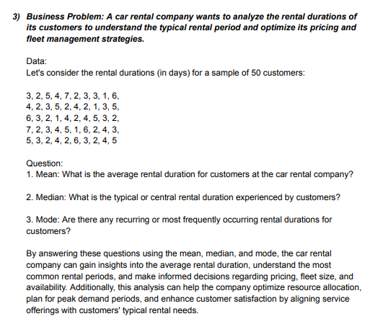
 |  |  |  |  |  | Customers | Days
 |  |  |  |  |  | 1 | 3
 |  |  |  |  |  | 2 | 2
 |  |  |  |  |  | 3 | 5
 |  |  |  |  |  | 4 | 4 |  |  | Mean | 3.44
 |  |  |  |  |  | 5 | 7
 |  |  |  |  |  | 6 | 2 |  |  | Median | 3
 |  |  |  |  |  | 7 | 3
 |  |  |  |  |  | 8 | 3 |  |  | Mode | 2
 |  |  |  |  |  | 9 | 1
 |  |  |  |  |  | 10 | 6
 |  |  |  |  |  | 11 | 4
 |  |  |  |  |  | 12 | 2
 |  |  |  |  |  | 13 | 3
 |  |  |  |  |  | 14 | 5
 |  |  |  |  |  | 15 | 2
 |  |  |  |  |  | 16 | 4
 |  |  |  |  |  | 17 | 2
 |  |  |  |  |  | 18 | 1
 |  |  |  |  |  | 19 | 3
 |  |  |  |  |  | 20 | 5
 |  |  |  |  |  | 21 | 6
 |  |  |  |  |  | 22 | 3
 |  |  |  |  |  | 23 | 2
 |  |  |  |  |  | 24 | 1
 |  |  |  |  |  | 25 | 4
 |  |  |  |  |  | 26 | 2
 |  |  |  |  |  | 27 | 4
 |  |  |  |  |  | 28 | 5
 |  |  |  |  |  | 29 | 3
 |  |  |  |  |  | 30 | 2
 |  |  |  |  |  | 31 | 7
 |  |  |  |  |  | 32 | 2
 |  |  |  |  |  | 33 | 3
 |  |  |  |  |  | 34 | 4
 |  |  |  |  |  | 35 | 5
 |  |  |  |  |  | 36 | 1
 |  |  |  |  |  | 37 | 6
 |  |  |  |  |  | 38 | 2
 |  |  |  |  |  | 39 | 4
 |  |  |  |  |  | 40 | 3
 |  |  |  |  |  | 41 | 5
 |  |  |  |  |  | 42 | 3
 |  |  |  |  |  | 43 | 2
 |  |  |  |  |  | 44 | 4
 |  |  |  |  |  | 45 | 2
 |  |  |  |  |  | 46 | 6
 |  |  |  |  |  | 47 | 3
 |  |  |  |  |  | 48 | 2
 |  |  |  |  |  | 49 | 4
 |  |  |  |  |  | 50 | 5

Questions on measure of dispersion

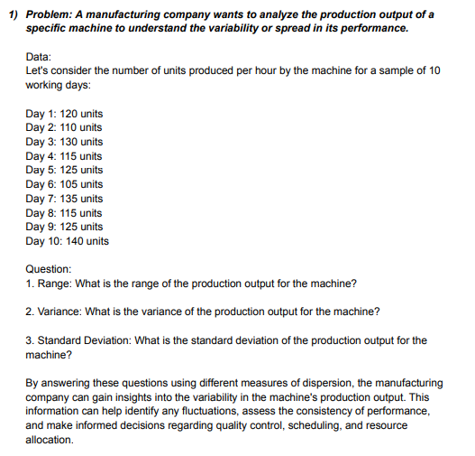

 |  |  | Days | Units |  | Range | 35
 |  |  | 1 | 120
 |  |  | 2 | 110 |  | Variance | 123.33333333
 |  |  | 3 | 130
 |  |  | 4 | 115 |  | Standard Deviation | 11.105554166
 |  |  | 5 | 125
 |  |  | 6 | 105
 |  |  | 7 | 135
 |  |  | 8 | 115
 |  |  | 9 | 125
 |  |  | 10 | 140

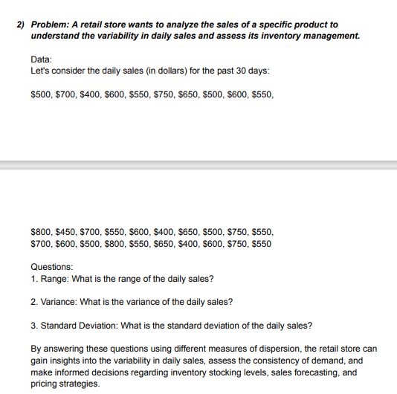
 |  |  | Days | sales
 |  |  | 1 | 500 |  | Range | 400
 |  |  | 2 | 700
 |  |  | 3 | 400 |  | Variance | 13163.793103
 |  |  | 4 | 600
 |  |  | 5 | 550 |  | Standard Deviation | 114.73357444
 |  |  | 6 | 750
 |  |  | 7 | 650
 |  |  | 8 | 500
 |  |  | 9 | 600
 |  |  | 10 | 550
 |  |  | 11 | 800
 |  |  | 12 | 450
 |  |  | 13 | 700
 |  |  | 14 | 550
 |  |  | 15 | 600
 |  |  | 16 | 400
 |  |  | 17 | 650
 |  |  | 18 | 500
 |  |  | 19 | 750
 |  |  | 20 | 550
 |  |  | 21 | 700
 |  |  | 22 | 600
 |  |  | 23 | 500
 |  |  | 24 | 800
 |  |  | 25 | 550
 |  |  | 26 | 650
 |  |  | 27 | 400
 |  |  | 28 | 600
 |  |  | 29 | 750
 |  |  | 30 | 550

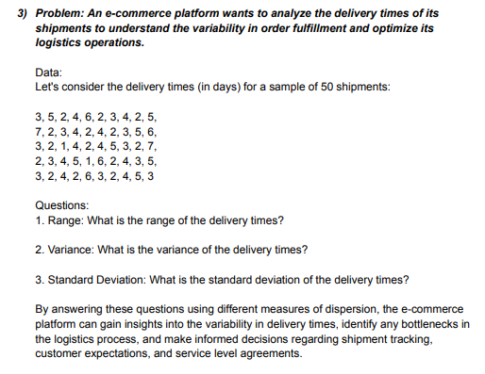
 |  |  |  | Days
 |  |  |  | 3 |  | Range | 6
 |  |  |  | 5
 |  |  |  | 2 |  | Variance | 2.3363265306
 |  |  |  | 4
 |  |  |  | 6 |  | Standard Deviation | 1.5285046714
 |  |  |  | 2
 |  |  |  | 3
 |  |  |  | 4
 |  |  |  | 2
 |  |  |  | 5
 |  |  |  | 7
 |  |  |  | 2
 |  |  |  | 3
 |  |  |  | 4
 |  |  |  | 2
 |  |  |  | 4
 |  |  |  | 2
 |  |  |  | 3
 |  |  |  | 5
 |  |  |  | 6
 |  |  |  | 3
 |  |  |  | 2
 |  |  |  | 1
 |  |  |  | 4
 |  |  |  | 2
 |  |  |  | 4
 |  |  |  | 5
 |  |  |  | 3
 |  |  |  | 2
 |  |  |  | 7
 |  |  |  | 2
 |  |  |  | 3
 |  |  |  | 4
 |  |  |  | 5
 |  |  |  | 1
 |  |  |  | 6
 |  |  |  | 2
 |  |  |  | 4
 |  |  |  | 3
 |  |  |  | 5
 |  |  |  | 3
 |  |  |  | 2
 |  |  |  | 4
 |  |  |  | 2
 |  |  |  | 6
 |  |  |  | 3
 |  |  |  | 2
 |  |  |  | 4
 |  |  |  | 5
 |  |  |  | 3

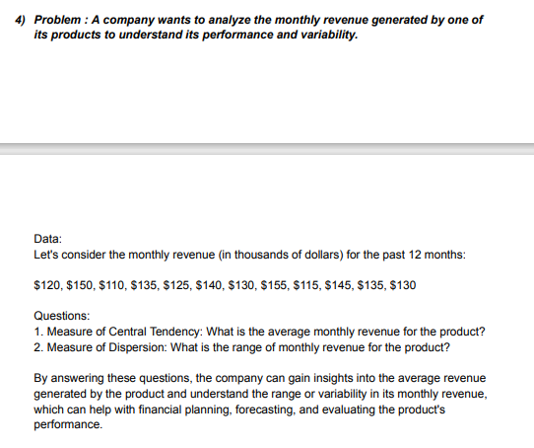

 |  |  |  | Month | Revenue |  | Measure o fcentral tendency
 |  |  |  | 1 | 120
 |  |  |  | 2 | 150 |  | Mean | 132.5
 |  |  |  | 3 | 110
 |  |  |  | 4 | 135 |  | Median | 132.5
 |  |  |  | 5 | 125
 |  |  |  | 6 | 140 |  | Mode | 135
 |  |  |  | 7 | 130 |  |  | 130
 |  |  |  | 8 | 155
 |  |  |  | 9 | 115
 |  |  |  | 10 | 145 |  | Measure of dispersion
 |  |  |  | 11 | 135
 |  |  |  | 12 | 130 |  | Range | 45

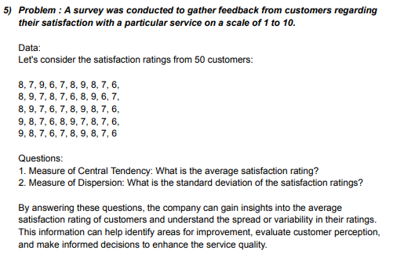
 |  |  |  |  | Customers | Rating
 |  |  |  |  | 1 | 8 | Measure of central tendency
 |  |  |  |  | 2 | 7
 |  |  |  |  | 3 | 9 | Mean | 7.5
 |  |  |  |  | 4 | 6
 |  |  |  |  | 5 | 7 | Median | 7.5
 |  |  |  |  | 6 | 8
 |  |  |  |  | 7 | 9 | Mode | 8
 |  |  |  |  | 8 | 8 |  | 7
 |  |  |  |  | 9 | 7
 |  |  |  |  | 10 | 6
 |  |  |  |  | 11 | 8
 |  |  |  |  | 12 | 9 | Measure of dispersion
 |  |  |  |  | 13 | 7
 |  |  |  |  | 14 | 8 | Standard Deviation | 1.035098339
 |  |  |  |  | 15 | 7
 |  |  |  |  | 16 | 6
 |  |  |  |  | 17 | 8
 |  |  |  |  | 18 | 9
 |  |  |  |  | 19 | 6
 |  |  |  |  | 20 | 7
 |  |  |  |  | 21 | 8
 |  |  |  |  | 22 | 9
 |  |  |  |  | 23 | 7
 |  |  |  |  | 24 | 6
 |  |  |  |  | 25 | 7
 |  |  |  |  | 26 | 8
 |  |  |  |  | 27 | 9
 |  |  |  |  | 28 | 8
 |  |  |  |  | 29 | 7
 |  |  |  |  | 30 | 6
 |  |  |  |  | 31 | 9
 |  |  |  |  | 32 | 8
 |  |  |  |  | 33 | 7
 |  |  |  |  | 34 | 6
 |  |  |  |  | 35 | 8
 |  |  |  |  | 36 | 9
 |  |  |  |  | 37 | 7
 |  |  |  |  | 38 | 8
 |  |  |  |  | 39 | 7
 |  |  |  |  | 40 | 6
 |  |  |  |  | 41 | 9
 |  |  |  |  | 42 | 8
 |  |  |  |  | 43 | 7
 |  |  |  |  | 44 | 6
 |  |  |  |  | 45 | 7
 |  |  |  |  | 46 | 8
 |  |  |  |  | 47 | 9
 |  |  |  |  | 48 | 8
 |  |  |  |  | 49 | 7
 |  |  |  |  | 50 | 6

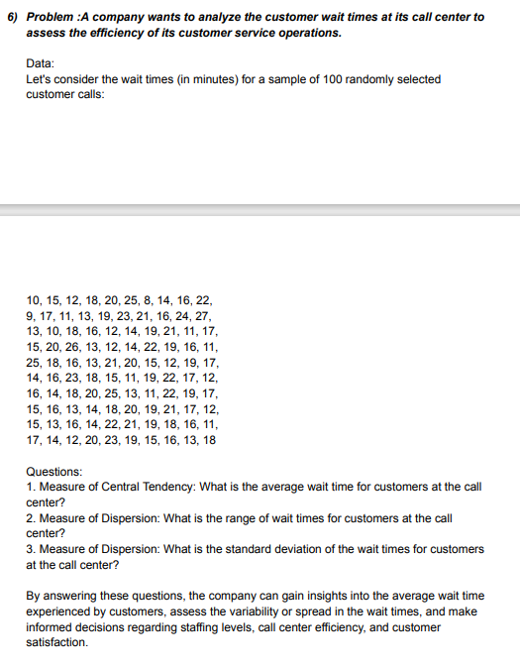
 |  |  |  | Time |  | Measure od central tendency
 |  |  |  | 10
 |  |  |  | 15 |  | Mean | 16.74
 |  |  |  | 12
 |  |  |  | 18
 |  |  |  | 20
 |  |  |  | 25 |  | Measure of dispersion
 |  |  |  | 8
 |  |  |  | 14 |  | Range | 19
 |  |  |  | 16
 |  |  |  | 22 |  | Standard Deviation | 4.1429506881
 |  |  |  | 9
 |  |  |  | 17
 |  |  |  | 11
 |  |  |  | 13
 |  |  |  | 19
 |  |  |  | 23
 |  |  |  | 21
 |  |  |  | 16
 |  |  |  | 24
 |  |  |  | 27
 |  |  |  | 13
 |  |  |  | 10
 |  |  |  | 18
 |  |  |  | 16
 |  |  |  | 12
 |  |  |  | 14
 |  |  |  | 19
 |  |  |  | 21
 |  |  |  | 11
 |  |  |  | 17
 |  |  |  | 15
 |  |  |  | 20
 |  |  |  | 26
 |  |  |  | 13
 |  |  |  | 12
 |  |  |  | 14
 |  |  |  | 22
 |  |  |  | 19
 |  |  |  | 16
 |  |  |  | 11
 |  |  |  | 25
 |  |  |  | 18
 |  |  |  | 16
 |  |  |  | 13
 |  |  |  | 21
 |  |  |  | 20
 |  |  |  | 15
 |  |  |  | 12
 |  |  |  | 19
 |  |  |  | 17
 |  |  |  | 14
 |  |  |  | 16
 |  |  |  | 23
 |  |  |  | 18
 |  |  |  | 15
 |  |  |  | 11
 |  |  |  | 19
 |  |  |  | 22
 |  |  |  | 17
 |  |  |  | 12
 |  |  |  | 16
 |  |  |  | 14
 |  |  |  | 18
 |  |  |  | 20
 |  |  |  | 25
 |  |  |  | 13
 |  |  |  | 11
 |  |  |  | 22
 |  |  |  | 19
 |  |  |  | 17
 |  |  |  | 15
 |  |  |  | 16
 |  |  |  | 13
 |  |  |  | 14
 |  |  |  | 18
 |  |  |  | 20
 |  |  |  | 19
 |  |  |  | 21
 |  |  |  | 17
 |  |  |  | 12
 |  |  |  | 15
 |  |  |  | 13
 |  |  |  | 16
 |  |  |  | 14
 |  |  |  | 22
 |  |  |  | 21
 |  |  |  | 19
 |  |  |  | 18
 |  |  |  | 16
 |  |  |  | 11
 |  |  |  | 17
 |  |  |  | 14
 |  |  |  | 12
 |  |  |  | 20
 |  |  |  | 23
 |  |  |  | 19
 |  |  |  | 15
 |  |  |  | 16
 |  |  |  | 13
 |  |  |  | 18

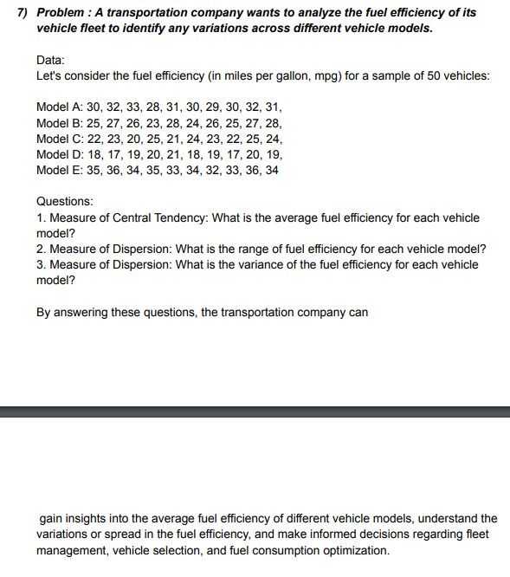
 | Model A | Model B | Model C | Model D | Model E |  | Measure of central tentency
 | 30 | 25 | 22 | 18 | 35
 | 32 | 27 | 23 | 17 | 36 |  | Mean A | 30.6
 | 33 | 26 | 20 | 19 | 34 |  | Mean B | 25.9
 | 28 | 23 | 25 | 20 | 35 |  | Mean C | 22.9
 | 31 | 28 | 21 | 21 | 33 |  | Mean D | 18.8
 | 30 | 24 | 24 | 18 | 34 |  | Mean E | 34.2
 | 29 | 26 | 23 | 19 | 32
 | 30 | 25 | 22 | 17 | 33
 | 32 | 27 | 25 | 20 | 36 |  | Measure of dispersion
 | 31 | 28 | 24 | 19 | 34
 |  |  |  |  |  |  | Range A | 5
 |  |  |  |  |  |  | Range B | 5
 |  |  |  |  |  |  | Range C | 5
 |  |  |  |  |  |  | Range D | 4
 |  |  |  |  |  |  | Range E | 4

 |  |  |  |  |  |  | Variance A | 2.2666666667
 |  |  |  |  |  |  | Variance B | 2.7666666667
 |  |  |  |  |  |  | Variance C | 2.7666666667
 |  |  |  |  |  |  | Variance D | 1.7333333333
 |  |  |  |  |  |  | Variance E | 1.7333333333

More Statistics Questions

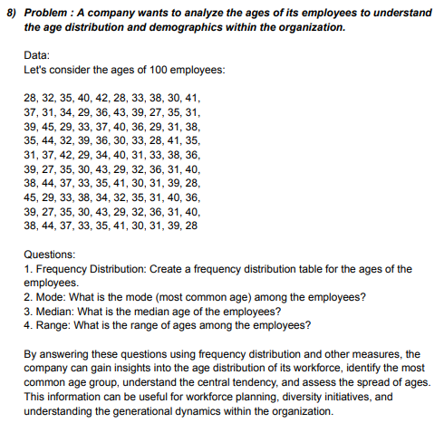
 |  |  |  | Age
 |  |  |  | 28 |  | Min | 27
 |  |  |  | 32 |  | Max | 45
 |  |  |  | 35
 |  |  |  | 40 |  | Frequency distribution
 |  |  |  | 42
 |  |  |  | 28 |  | Age Distribution | Bin |  | Bin | Frequency
 |  |  |  | 33 |  | 25-30 | 30 |  | 30 | 21
 |  |  |  | 38 |  | 31-35 | 35 |  | 35 | 34
 |  |  |  | 30 |  | 36-40 | 40 |  | 40 | 31
 |  |  |  | 41 |  | 41-45 | 45 |  | 45 | 14
 |  |  |  | 37 |  |  |  |  | More | 0
 |  |  |  | 31
 |  |  |  | 34
 |  |  |  | 29
 |  |  |  | 36 |  | Mode | 31
 |  |  |  | 43
 |  |  |  | 39 |  | Median | 35
 |  |  |  | 27
 |  |  |  | 35 |  | Range | 18
 |  |  |  | 31
 |  |  |  | 39
 |  |  |  | 45
 |  |  |  | 29
 |  |  |  | 33
 |  |  |  | 37
 |  |  |  | 40
 |  |  |  | 36
 |  |  |  | 29
 |  |  |  | 31
 |  |  |  | 38
 |  |  |  | 35
 |  |  |  | 44
 |  |  |  | 32
 |  |  |  | 39
 |  |  |  | 36
 |  |  |  | 30
 |  |  |  | 33
 |  |  |  | 28
 |  |  |  | 41
 |  |  |  | 35
 |  |  |  | 31
 |  |  |  | 37
 |  |  |  | 42
 |  |  |  | 29
 |  |  |  | 34
 |  |  |  | 40
 |  |  |  | 31
 |  |  |  | 33
 |  |  |  | 38
 |  |  |  | 36
 |  |  |  | 39
 |  |  |  | 27
 |  |  |  | 35
 |  |  |  | 30
 |  |  |  | 43
 |  |  |  | 29
 |  |  |  | 32
 |  |  |  | 36
 |  |  |  | 31
 |  |  |  | 40
 |  |  |  | 38
 |  |  |  | 44
 |  |  |  | 37
 |  |  |  | 33
 |  |  |  | 35
 |  |  |  | 41
 |  |  |  | 30
 |  |  |  | 31
 |  |  |  | 39
 |  |  |  | 28
 |  |  |  | 45
 |  |  |  | 29
 |  |  |  | 33
 |  |  |  | 38
 |  |  |  | 34
 |  |  |  | 32
 |  |  |  | 35
 |  |  |  | 31
 |  |  |  | 40
 |  |  |  | 36
 |  |  |  | 39
 |  |  |  | 27
 |  |  |  | 35
 |  |  |  | 30
 |  |  |  | 43
 |  |  |  | 29
 |  |  |  | 32
 |  |  |  | 36
 |  |  |  | 31
 |  |  |  | 40
 |  |  |  | 38
 |  |  |  | 44
 |  |  |  | 37
 |  |  |  | 33
 |  |  |  | 35
 |  |  |  | 41
 |  |  |  | 30
 |  |  |  | 31
 |  |  |  | 39
 |  |  |  | 28

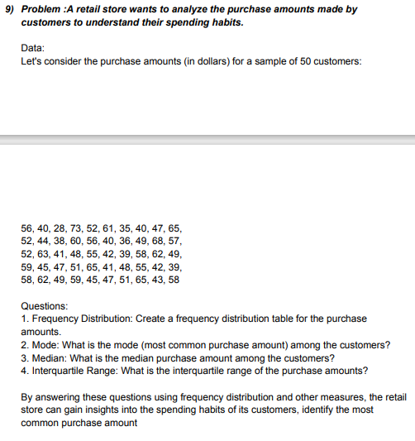
 |  | Amount |  | Min | 28
 |  | 56 |  | Max | 73
 |  | 40
 |  | 28
 |  | 73 |  | Frequency distribution
 |  | 52
 |  | 61 |  | Purchase Distribution | Bin |  | Bin | Frequency
 |  | 35 |  | 26-30 | 30 |  | 30 | 1
 |  | 40 |  | 31-35 | 35 |  | 35 | 1
 |  | 47 |  | 36-40 | 40 |  | 40 | 7
 |  | 65 |  | 41-45 | 45 |  | 45 | 8
 |  | 52 |  | 46-50 | 50 |  | 50 | 8
 |  | 44 |  | 51-55 | 55 |  | 55 | 7
 |  | 38 |  | 56-60 | 60 |  | 60 | 9
 |  | 60 |  | 61-65 | 65 |  | 65 | 7
 |  | 56 |  | 66-70 | 70 |  | 70 | 1
 |  | 40 |  | 71-75 | 75 |  | 75 | 1
 |  | 36 |  |  |  |  | More | 0
 |  | 49
 |  | 68
 |  | 57 |  | Mode | 40
 |  | 52 |  |  | 52
 |  | 63 |  |  | 47
 |  | 41 |  |  | 65
 |  | 48 |  |  | 49
 |  | 55 |  |  | 58
 |  | 42
 |  | 39
 |  | 58 |  | Median | 50
 |  | 62
 |  | 49
 |  | 59 |  | Quartile 1 | 42
 |  | 45
 |  | 47 |  | Quartile 3 | 58
 |  | 51
 |  | 65 |  | Interquartile Range | 16
 |  | 41
 |  | 48
 |  | 55
 |  | 42
 |  | 39
 |  | 58
 |  | 62
 |  | 49
 |  | 59
 |  | 45
 |  | 47
 |  | 51
 |  | 65
 |  | 43
 |  | 58

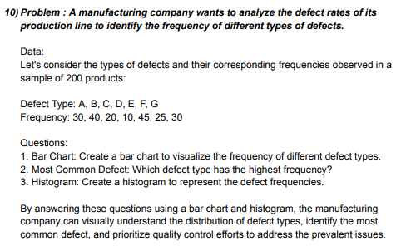
 |  |  | Defect Type | Frequency | Bin
 |  |  | A | 30 | 15 |  | Min | 10
 |  |  | B | 40 | 20 |  | Max | 45
 |  |  | C | 20 | 25
 |  |  | D | 10 | 30
 |  |  | E | 45 | 35
 |  |  | F | 25 | 40
 |  |  | G | 30 | 45

 |  |  |  | Bar Chart

 |  |  |  |  |  |  | Most common defect | E=45
 |  |  |  |  |  |  |  |  |  | Histogram

 |  |  |  |  |  |  |  |  |  | Bin | Frequency
 |  |  |  |  |  |  |  |  |  | 15 | 1
 |  |  |  |  |  |  |  |  |  | 20 | 1
 |  |  |  |  |  |  |  |  |  | 25 | 1
 |  |  |  |  |  |  |  |  |  | 30 | 2
 |  |  |  |  |  |  |  |  |  | 35 | 0
 |  |  |  |  |  |  |  |  |  | 40 | 1
 |  |  |  |  |  |  |  |  |  | 45 | 1
 |  |  |  |  |  |  |  |  |  | More | 0

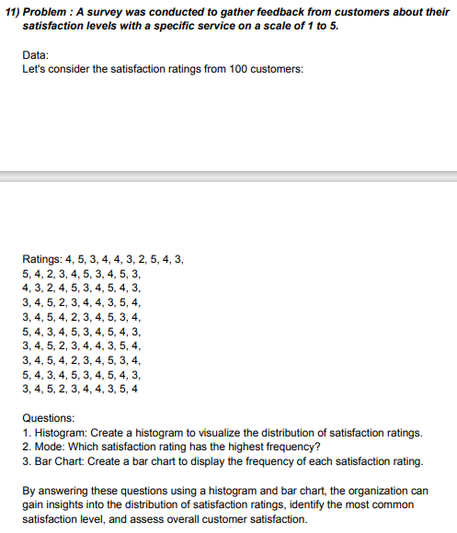
 |  |  | Ratings | scale
 |  |  | 4 | 1
 |  |  | 5 | 2
 |  |  | 3 | 3
 |  |  | 4 | 4
 |  |  | 4 | 5
 |  |  | 3
 |  |  | 2
 |  |  | 5
 |  |  | 4
 |  |  | 3
 |  |  | 5
 |  |  | 4
 |  |  | 2
 |  |  | 3
 |  |  | 4
 |  |  | 5
 |  |  | 3
 |  |  | 4 |  |  | Mode | 4
 |  |  | 5
 |  |  | 3
 |  |  | 4
 |  |  | 3
Bar Chart
 |  |  | 2
 |  |  | 4
 |  |  | 5
 |  |  | 3
 |  |  | 4
 |  |  | 5
 |  |  | 4
 |  |  | 3
 |  |  | 3
 |  |  | 4
 |  |  | 5
 |  |  | 2
 |  |  | 3
 |  |  | 4
 |  |  | 4
 |  |  | 3
 |  |  | 5
 |  |  | 4
 |  |  | 3
 |  |  | 4
 |  |  | 5
 |  |  | 4
 |  |  | 2
 |  |  | 3
 |  |  | 4
 |  |  | 5
 |  |  | 3
 |  |  | 4
 |  |  | 5
 |  |  | 4
 |  |  | 3
 |  |  | 4
 |  |  | 5
 |  |  | 3
 |  |  | 4
 |  |  | 5
 |  |  | 4
 |  |  | 3
 |  |  | 3
 |  |  | 4
 |  |  | 5
 |  |  | 2
 |  |  | 3
 |  |  | 4
 |  |  | 4
 |  |  | 3
 |  |  | 5
 |  |  | 4
 |  |  | 3
 |  |  | 4
 |  |  | 5
 |  |  | 4
 |  |  | 2
 |  |  | 3
 |  |  | 4
 |  |  | 5
 |  |  | 3
 |  |  | 4
 |  |  | 5
 |  |  | 4
 |  |  | 3
 |  |  | 4
 |  |  | 5
 |  |  | 3
 |  |  | 4
 |  |  | 5
 |  |  | 4
 |  |  | 3
 |  |  | 3
 |  |  | 4
 |  |  | 5
 |  |  | 2
 |  |  | 3
 |  |  | 4
 |  |  | 4
 |  |  | 3
 |  |  | 5
 |  |  | 4

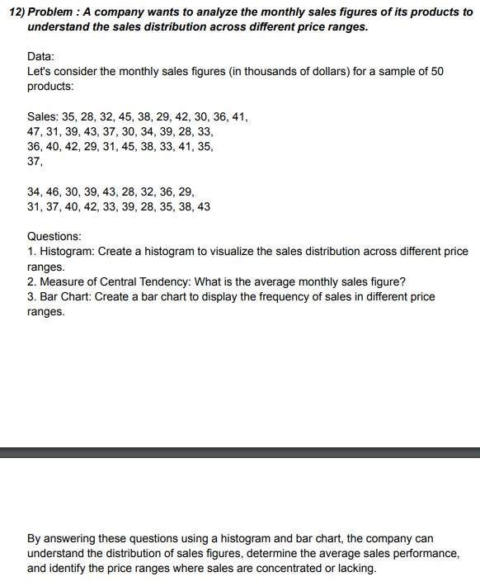
 | Sales
 | 35
 | 28
 | 32
 | 45
 | 38
 | 29
 | 42
 | 30
 | 36
 | 41
 | 47
 | 31
 | 39
 | 43
 | 37
 | 30
 | 34
 | 39 |  |  | Measure of central tendency
 | 28
 | 33 |  |  | Avrage sale | 36.14
 | 36
 | 40
 | 42
 | 29
 | 31
 | 45
 | 38
 | 33
Bar Chart
 | 41
 | 35
 | 37
 | 34
 | 46
 | 30
 | 39
 | 43
 | 28
 | 32
 | 36
 | 29
 | 31
 | 37
 | 40
 | 42
 | 33
 | 39
 | 28
 | 35
 | 38
 | 43

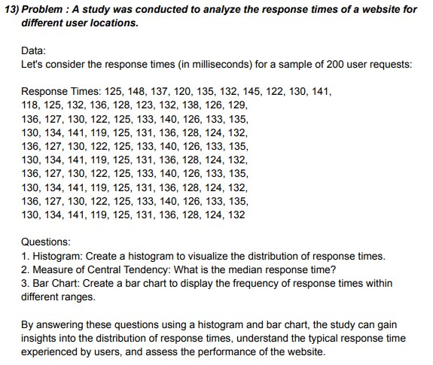
 |  | Response Times
 |  | 125 |  | Min | 118
 |  | 148 |  | Max | 148
 |  | 137
 |  | 120 |  | Bin
 |  | 135 |  | 120 |  | Bin | Frequency
 |  | 132 |  | 125 |  | 120 | 6
 |  | 145 |  | 130 |  | 125 | 20
 |  | 122 |  | 135 |  | 130 | 24
 |  | 130 |  | 140 |  | 135 | 28
 |  | 141 |  | 145 |  | 140 | 15
 |  | 118 |  | 150 |  | 145 | 6
 |  | 125 |  |  |  | 150 | 1
 |  | 132 |  |  |  | More | 0
 |  | 136
 |  | 128
 |  | 123 |  | Median | 130.5
 |  | 132
 |  | 138
 |  | 126
 |  | 129
 |  | 136
 |  | 127
 |  | 130
 |  | 122
 |  | 125
 |  | 133
 |  | 140
 |  | 126
 |  | 133
 |  | 135
 |  | 130
 |  | 134
 |  | 141
 |  | 119
 |  | 125
 |  | 131
 |  | 136
 |  | 128
 |  | 124
 |  | 132
 |  | 136
 |  | 127
 |  | 130
 |  | 122
 |  | 125
 |  | 133
 |  | 140
 |  | 126
 |  | 133
 |  | 135
 |  | 130
 |  | 134
 |  | 141
 |  | 119
 |  | 125
 |  | 131
 |  | 136
 |  | 128
 |  | 124
 |  | 132
 |  | 136
 |  | 127
 |  | 130
 |  | 122
 |  | 125
 |  | 133
 |  | 140
 |  | 126
 |  | 133
 |  | 135
 |  | 130
 |  | 134
 |  | 141
 |  | 119
 |  | 125
 |  | 131
 |  | 136
 |  | 128
 |  | 124
 |  | 132
 |  | 136
 |  | 127
 |  | 130
 |  | 122
 |  | 125
 |  | 133
 |  | 140
 |  | 126
 |  | 133
 |  | 135
 |  | 130
 |  | 134
 |  | 141
 |  | 119
 |  | 125
 |  | 131
 |  | 136
 |  | 128
 |  | 124
 |  | 132

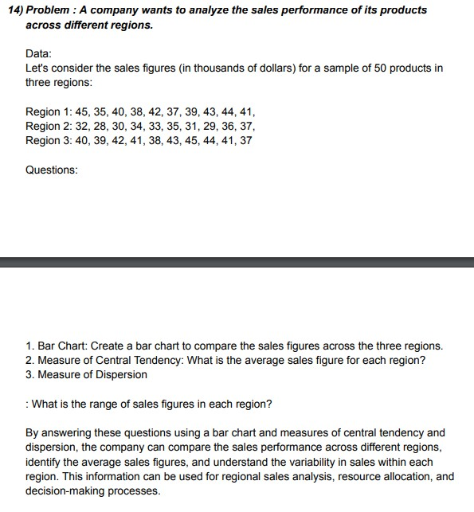
 | Region 1 | Region 2 | Region 3
 | 45 | 32 | 40
 | 35 | 28 | 39
 | 40 | 30 | 42
 | 38 | 34 | 41
 | 42 | 33 | 38
 | 37 | 35 | 43
 | 39 | 31 | 45
 | 43 | 29 | 44
 | 44 | 36 | 41
 | 41 | 37 | 37

 |  |  |  | Avrage sale

 |  |  |  | Region 1 | 40.4
 |  |  |  | Region 2 | 32.5
 |  |  |  | Region 3 | 41

 |  |  |  | Measure of dispersion

 |  |  |  | Region 1 | Variance | 10.266666667 | Range | 10
 |  |  |  |  | Standard deviation | 3.2041639575

 |  |  |  | Region 2 | Variance | 9.1666666667 | Range | 9
 |  |  |  |  | Standard deviation | 3.0276503541

 |  |  |  | Region 3 | Variance | 6.6666666667 | Range | 8
 |  |  |  |  | Standard deviation | 2.5819888975

